Product Information
Product Description | Secure Cabinet Express is our business-ready cabinet with the most frequently deployed cabinet specifications. It includes an Equinix-supplied cabinet with 1200 mm minimum depth to accommodate most equipment needs. It is designed to suit your changing digital infrastructure requirements through Equinix’s selection of optimal product configurations (cabinet, electrical circuits, and cabinet mounted PDUs). The standardized cabinet is interconnection ready with internal configuration flexibility

Ways of selling the product | Sales
 | Portal
 | Market Place - Future

Types Of customer | Direct
 | Reseller
 | Distributor?

Applicable Use cases | New Install
 | Deinstall
 | Change Orders

Product Catalog Viewer

Product Rules | Only Same Cabinet Combination for MACD allowed
 | DrawCap increase should go as per max circuit kva
 | Flag at offer level to bundle Space & Power
 | Circuit Usable kvA is not MACD enabled
 | PDU is always Add and optional when we add cabinets and circuits
 | Minimum Cardinality is 1 for SCE
 | Circuit pairs can be deleted without delete of Cab
 | For each cabinet there should be a pair
 | Cabinet is auto calculated based on kva/min kva per cabinet in EQP |  | explained in row 26
 | Changing the cabinet numbers will recalculate the total kVA |  | Not applicable for R3
 | Std Config (1xpair SP) – this goes through Auto Reservation. |  | Add 1 pair of circuit single phase will be auto-approved CFR.
 | Non-Std Config (2xpair SP OR any ThreePhase) – This goes through Power-CFR. |  | Non std configs require CFR approval

 | Ability for a Portal User (reseller or direct customer) to order a new or add Secure Cabinet Express cabinet(s) with: A pair of single phase circuits (BAU) 2 x Pairs of Single Phase Circuits (Non Standard) 2 x Pair of Three Phase Circuits (Non Standard)
 | Different cabinets in the same Order / POF can have different circuit combinations but a single Cabinet cannot have a mix of Single Phase and Three Phase Circuits |  | NA for Operator Portal
 | Circuits will always be ordered in Primary / Redundant pairs |  | May require to send additional flag. Bhagyashree working on SCE Circuit grouping logic.
 | There will be a different default PDU applicable for cabinets with Single Phase Circuits vs Three Phase Circuits |  | Default PDU to be fetched from attribute eligibility
 | There can be zero or one PDU pair for each pair of circuits
 | Min/Max Limits It should only be possible to place the SCE Order provided the drawcap falls within min / max limits applicable for that IBX and circuit combination. These will be maintained by the Product Manager. There will be different min/max limits applicable for: A pair of single phase circuits (BAU) 2 x Pairs of Single Phase Circuits (Non Standard) 2 x Pair of Three Phase Circuits (Non Standard) |  | Min max to be fetched from attribute eligibility.
 | The total drawcap for the order must lie between the Sum of the applicable Minimums and the Sum of the applicable Maximum drawcaps
 | (In case of MACD, the applicable Min/Max for existing cabinets must also be taken into consideration, meaning total drawcap must lie between Sum of Mins across New and Existing Cabinets and Sum of Mins across New and Existing Cabinets )
 | Auto CFR Rules Depending on the type and make up of the order, either Auto CFR or Manual CFR will be required. Auto CFR will be permitted only when: Adding new BAU cabinets as part of a new install order Performing a MACD draw cap increase (only) where new Total Drawcap <= Total 1PMAX equivalent MACD Adding BAU Cabinets where: new Total Drawcap <= Total 1PMAX equivalent, or new Total Drawcap <= current Drawcap + (number of new cabinets x 1PMAX) if this is greater (User needs to be presented the higher Auto-CFR limit out of 3(a) and 3(b) from above) Where: BAU cabinet = SCE cabinet with one pair of single phase circuits 1PMAX = Max Drawcap defined for one pair of single phase circuits at that IBX Total 1PMAX equivalent = 1PMAX x number of cabinets (new and existing) (assuming that the order falls within Min/Max limits) A CFR Review will be required in all other circumstances, including: Order consisting of any Non Standard Cabinets as part of New or MACD Adding an additional pair of Single Phase circuits In case of Drawcap increase only where the new drawcap exceeds the limit specified in 2 above In case of adding BAU Cabinets with drawcap increase where the new drawcap exceeds the limits specified in 3a, 3b above | 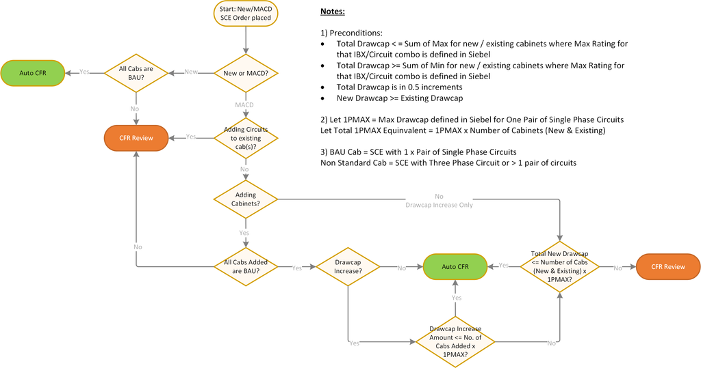
 | MACD draw cap increase Initially the cage draw cap is 10 KVA & user is increasing the draw cap from 10-12 KVA in portal. Cabinet rating KVA is as below for this order- Cage: 10 KVA Cab 1: 5 KVA Cab2: 5 KVA User is placing the MACD to increase the draw cap from 10-12 & portal will send the updated draw cap In caplogix, the draw cap will be updated at cabinet level as below- Cage/Power Draw Cap: 12 KVA Cab1 rating KVA: 6 KVA Cab 2 Rating KVA: 6 KVA Assumption: portal will already have the validation in place whereby the user won’t get allowed to increase the draw cap beyond the max draw cap range defined in the caplogix data table.(Product Primary AE). Also the aggregate draw cap against cage should be equal to the sum of draw cap against cabinets. If the order gets cancelled, Caplgoix will revert the value to original KVA as per the installed asset. . | 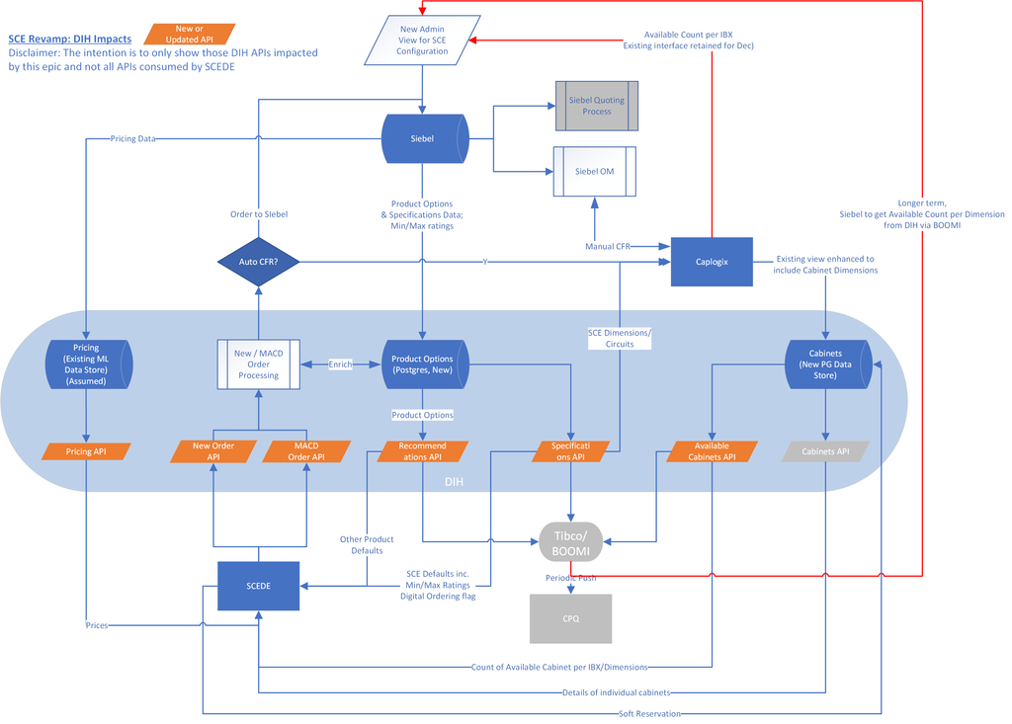 Scenario 1
 | MACD draw cap increase with cabinet additions Initially the cage draw cap is 10 KVA & user is increasing the draw cap from 10-12 KVA in portal. Cabinet rating KVA is as below for this order- Cage: 10 KVA Cab 1: 5 KVA Cab2: 5 KVA User is placing the MACD to increase the draw cap from 10-12 & increase the number of cabinets from 2-3 & portal will send the updated draw cap & cabinets count to DIH. In caplogix, the draw cap will be updated at cabinet level as below- Cage/Power Draw Cap: 12 KVA Cab1 rating KVA: 4 KVA Cab 2 Rating KVA: 4 KVA Cab 3 (new one) Rating KVA: 4 KVA Cab 3 will be in “Reserved” status. Assumption: portal will already have the validation in place whereby the user won’t get allowed to increase the draw cap beyond the max draw cap range defined in the caplogix data table. Also the aggregate draw cap against cage should be equal to the sum of draw cap against cabinets. If the order gets cancelled, Caplgoix will revert the value to original KVA as per the installed asset & release the new cabinets to Available status. . |  |  | EQP and SSC have implemented the same logic. So need to replicate that.

 | SCE Product Capabilities
 | Inventory Model | Pre-deployed Cabinet, Pre-deployed single phase circuitry, Just in time inventory
 | Cabinet Type | Multiple, Standard sizes per IBX, varies by location
 | Electrical Circuitry | Single. 1P Phase circuit defined, Single 3Phase circuit defined , Qty 1 or 2 1p supported per cabinet or Qty 1 or 2 3P supported per cabinet
 | Draw Cap | Min and Max range defined by circuit type and location
 | Capacity Approval | Pre Approved up to 1p circuit max(using 1P or 3P) Manual approval above 1P circuit max or any 3P circuit
 | Cabinet Location selection | Automatic selection, contiguos cabinet override with graphical cabinet selection
 | PDU | One, 1P PDU defined One, 3P PDU defined Defined by IBX, Ability to order non standard PDU

